Cover Page
 |  | GCSE French (8652) vocabulary

 | This document provides the vocabulary needed for the AQA GCSE French specification with first examination from 2026. An interactive page for both tiers is available, allowing you to filter and create your own vocabulary lists specific to your needs. You can also access the complete vocabulary lists for each tier. Both pages are printable.

 | Contents:
 | Foundation - Interactive list
 | Foundation - Complete list
 | Higher - Interactive list
 | Higher - Complete list

 | Please note: This document has been locked, however once downloaded you can copy the tables of information to make edits and amends. AQA does not hold responsbility for any changes made to this document offline.

 | Guidance

 | Using the Interactive Lists:

 | The interactive lists at both Foundation and Higher tier can be filtered by part of speech, theme and topic. On the Higher list we have an additional filter allowing vocabulary to be sorted by F/H (i.e. those items appearing on both Foundation and Higher tier), and H Only (i.e. those items appearing on Higher tier only).

 | At the top of the page are filters. When you first access the page all options are shown in blue meaning they are all selected and all vocabulary is shown.
 | To filter, simply click on the item you want shown. All other items in that filter will turn white meaning they are no longer included in the filter.
 | To add additional items to your filter, Ctrl + Click
 | To clear filters click the red 'x' button in the top right of each slicer
Filtered to show Adjectives within all Themes and Other Categories
Filtered to show Adjectives which are either in the People OR Communication themes
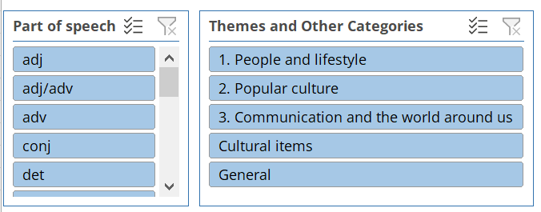
All filters are selected, all vocabulary shown
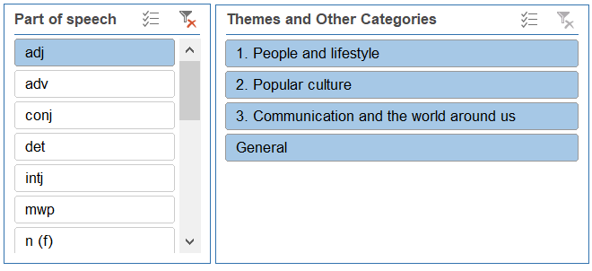
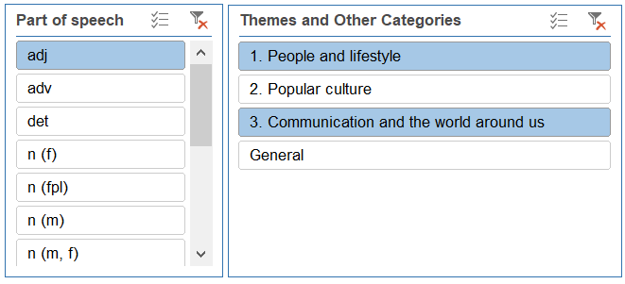

 | Using the Complete Lists:

 | These are the complete specification vocabulary lists for each tier and can be used for printing the entire list for each tier, of for reference when looking up items related to a particular tier. The tier column on these pages is for reference only to ensure items are clearly labelled with their tier when printing out vocabulary lists for use in class.

 | Printing:

 | You can print from either the interactive vocabulary pages or the complete list of vocabulary.
 | The columns have been set so that all columns will fit on a printed A4 page.
 | To print go to 'File' and then select 'Print'.

 | Definitions & Abbreviations

 | MWP | Multi-word phrase
 | C | Cultural item
 | Adj | Adjective
 | Adv | Adverb
 | Conj | Conjunction
 | Det | Determiner
 | Intj | Interjection
 | N (m,f,pl) | Noun (masculine, feminine, plural)
 | Num | Number
 | Prep | Preposition
 | Pron | Pronoun
 | V | Verb

 | Required vocabulary items:
 | These items must be included in the vocabulary list to demonstrate grammar points and are taken from the DfE subject content, Annex E.

 | Themes and topics:
 | Many vocabulary items can be used across a range of themes and topics and are classed as 'general' for the purpose of this online resource. Such items may also be included as part of specific topics when filtering. Decisions around individual vocabulary items can be subjective. You may edit your own lists offline to show different allocations to topics if you wish.

© 2023 AQA and its licensors. All rights reserved

